Normal
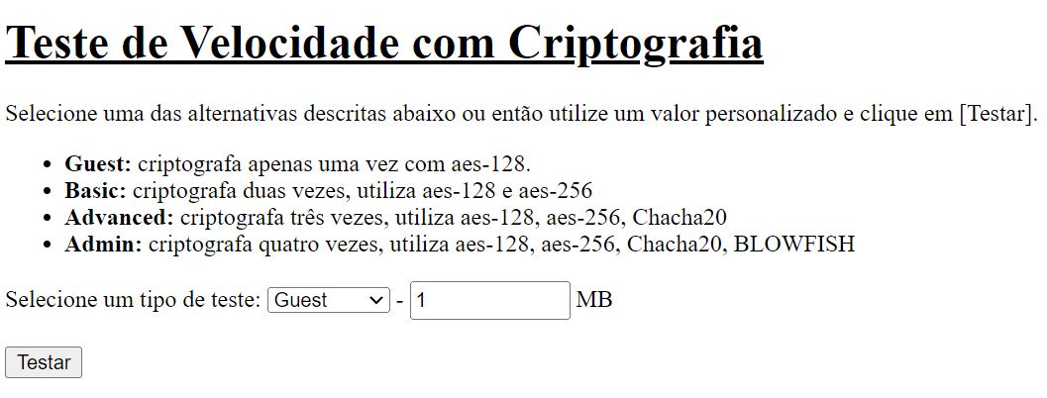

Guest

Encryption time(s) |  |  | Packet Size(MB) | Decryption time(s) | Packet Size(MB)
0.00052165985107 |  |  | 1 | 0.0010485649109 | 1
0.0035347938538 |  |  | 5 | 0.0036952495575 | 5
0.0082938671112 |  |  | 10 | 0.010370254517 | 10
0.012590169907 |  |  | 20 | 0.011621713638 | 20
0.023467540741 |  |  | 50 | 0.021375656128 | 50
Encryption and decryption time
0.00052165985107 | 1
0.0035347938538 | 5
0.0082938671112 | 10
0.012590169907 | 20
0.023467540741 | 50

0.0010485649109
0.0036952495575
0.010370254517
0.011621713638
0.021375656128

Basic

Encryption time(s) |  |  | Packet Size(MB) | Decryption time(s) | Packet Size(MB)
0.0023577213287 |  |  | 1 | 0.0023577213287 | 1
0.006010055542 |  |  | 5 | 0.0063779354095 | 5
0.010005235672 |  |  | 10 | 0.010005235672 | 10
0.029229164124 |  |  | 20 | 0.024615287781 | 20
0.043834209442 |  |  | 50 | 0.043834209442 | 50
Encryption and decryption time
0.0023577213287 | 0.0023577213287 | 1
0.006010055542 | 0.0063779354095 | 5
0.010005235672 | 0.010005235672 | 10
0.029229164124 | 0.024615287781 | 20
0.043834209442 | 0.043834209442 | 50

Advanced

Encryption time(s) |  |  | Packet Size(MB) | Decryption time(s) | Packet Size(MB)
0.0069873332977 |  |  | 1 | 0.0040061473846 | 1
0.023566007614 |  |  | 5 | 0.023566007614 | 5
0.048594236374 |  |  | 10 | 0.04502081871 | 10
0.094659805298 |  |  | 20 | 0.092328071594 | 20
0.21651148796 |  |  | 50 | 0.21447849274 | 50
Encryption and decryption time
0.0069873332977 | 0.0040061473846 | 1
0.023566007614 | 0.023566007614 | 5
0.048594236374 | 0.04502081871 | 10
0.094659805298 | 0.092328071594 | 20
0.21651148796 | 0.21447849274 | 50

Admin

Encryption time(s) |  |  | Packet Size(MB) | Decryption time(s) | Packet Size(MB)
0.013510704041 |  |  | 1 | 0.01314663887 | 1
0.05494761467 |  |  | 5 | 0.050185918808 | 5
0.10706424713 |  |  | 10 | 0.10232973099 | 10
0.21267271042 |  |  | 20 | 0.20536494255 | 20
0.51016998291 |  |  | 50 | 0.49067234993 | 50
Encryption and decryption time
 | 0.013510704041 | 0.01314663887 | 1
 | 0.05494761467 | 0.050185918808 | 5
 | 0.10706424713 | 0.10232973099 | 10
 | 0.21267271042 | 0.20536494255 | 20
 | 0.51016998291 | 0.49067234993 | 50

Chacha20->AES-ctr
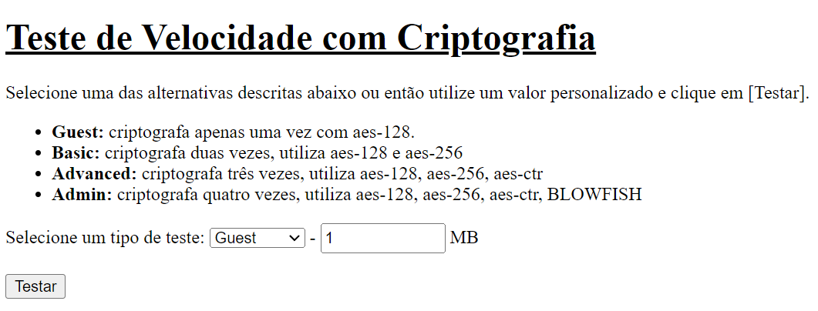

Advanced

Encryption time(s) |  |  | Packet Size(MB) | Decryption time(s) | Packet Size(MB)
0.0022618770599 |  |  | 1 | 0.0022859573364 | 1
0.0141518116 |  |  | 5 | 0.015989542007 | 5
0.02853178978 |  |  | 10 | 0.030539035797 | 10
0.052219629288 |  |  | 20 | 0.042799711227 | 20
0.1092979908 |  |  | 50 | 0.13552737236 | 50
Encryption and decryption time
0.0022618770599 | 0.0022859573364 | 1
0.0141518116 | 0.015989542007 | 5
0.02853178978 | 0.030539035797 | 10
0.052219629288 | 0.042799711227 | 20
0.1092979908 | 0.13552737236 | 50

Admin

Encryption time(s) |  |  | Packet Size(MB) | Decryption time(s) | Packet Size(MB)
0.0091593265533 |  |  | 1 | 0.0077397823334 | 1
0.04234290123 |  |  | 5 | 0.036720752716 | 5
0.078921556473 |  |  | 10 | 0.071315765381 | 10
0.15392351151 |  |  | 20 | 0.14397287369 | 20
0.39705109596 |  |  | 50 | 0.40740919113 | 50
Encryption and decryption time
 | 0.0091593265533 | 0.0077397823334 | 1
 | 0.04234290123 | 0.036720752716 | 5
 | 0.078921556473 | 0.071315765381 | 10
 | 0.15392351151 | 0.14397287369 | 20
 | 0.39705109596 | 0.40740919113 | 50

BLOWFISH->AES-ctr
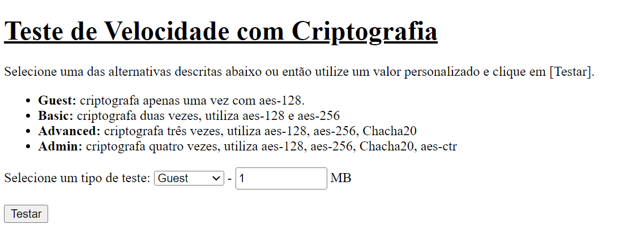

Admin

Encryption time(s) |  |  | Packet Size(MB) | Decryption time(s) | Packet Size(MB)
0.0091412067413 |  |  | 1 | 0.0050001144409 | 1
0.028021335602 |  |  | 5 | 0.027941703796 | 5
0.085351228714 |  |  | 10 | 0.066273927689 | 10
0.10662865639 |  |  | 20 | 0.12965393066 | 20
0.26561999321 |  |  | 50 | 0.29020524025 | 50
Encryption and decryption time
0.0091412067413 | 0.0050001144409 | 1
0.028021335602 | 0.027941703796 | 5
0.085351228714 | 0.066273927689 | 10
0.10662865639 | 0.12965393066 | 20
0.26561999321 | 0.29020524025 | 50

Novo_modelo_HMAC-SHA256
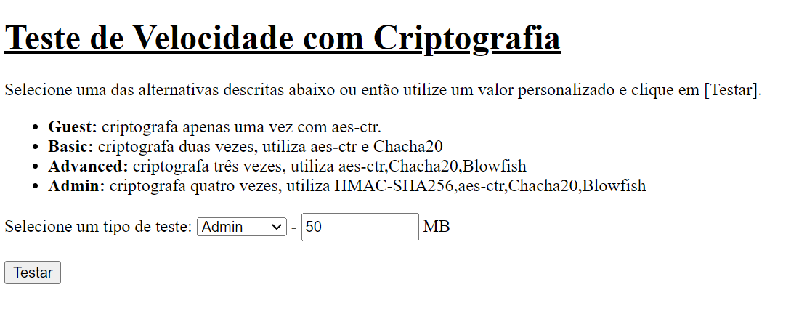

Guest

Encryption time(s) | Packet Size(MB) | Decryption time(s) | Packet Size(MB)
0.0010001659393 | 1 | 0.00096774101257 | 1
0.0040035247803 | 5 | 0.003999710083 | 5
0.0067229270935 | 10 | 0.0060234069824 | 10
0.012011766434 | 20 | 0.012996673584 | 20
0.028767347336 | 50 | 0.027992963791 | 50
Encryption and decryption time

Basic

Encryption time(s) | Packet Size(MB) | Decryption time(s) | Packet Size(MB)
0.0045156478882 | 1 | 0.0040187835693 | 1
0.021000146866 | 5 | 0.02104139328 | 5
0.042013645172 | 10 | 0.040704965591 | 10
0.083173036575 | 20 | 0.08158826828 | 20
0.20388650894 | 50 | 0.21759653091 | 50
Encryption and decryption time

Advanced

Encryption time(s) | Packet Size(MB) | Decryption time(s) | Packet Size(MB)
0.012796878815 | 1 | 0.01066160202 | 1
0.054308652878 | 5 | 0.053363084793 | 5
0.12661027908 | 10 | 0.13946318626 | 10
0.20340490341 | 20 | 0.19566345215 | 20
0.50789260864 | 50 | 0.54235506058 | 50
Encryption and decryption time

Admin

Encryption time(s) | Packet Size(MB) | Decryption time(s) | Packet Size(MB)
0.025035381317 | 1 | 0.025121927261 | 1
0.1374604702 | 5 | 0.13532090187 | 5
0.25066208839 | 10 | 0.26654052734 | 10
0.5343337059 | 20 | 0.51271510124 | 20
1.0164277554 | 50 | 0.98673176765 | 50

Encryption and decryption time

Novo_Modelo_ECC
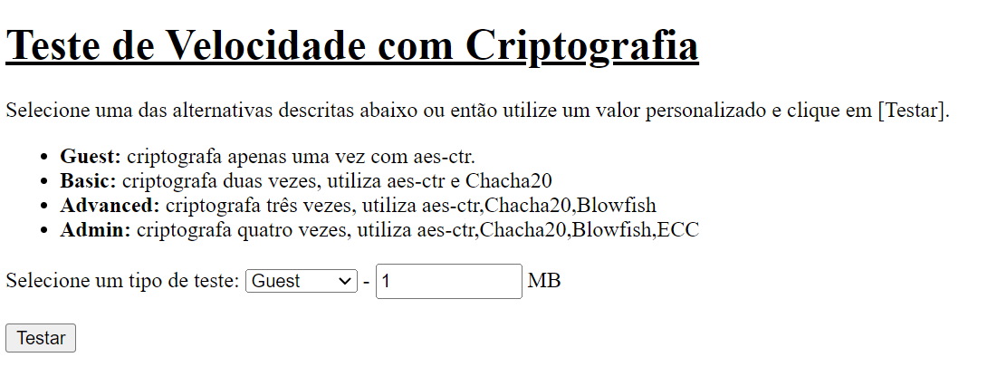
Encryption and decryption time in Admin level
 | Encryption time with ECC(s) | Encryption time with HMAC-SHA-256(s) | Decryption time with ECC(s) | Decryption time with HMAC-SHA-256(s)
1 | 0.059999704361 | 0.025035381317 | 0.034725666046 | 0.025121927261
5 | 0.11478328705 | 0.1374604702 | 0.086385965347 | 0.13532090187
10 | 0.16654276848 | 0.25066208839 | 0.14923119545 | 0.26654052734
20 | 0.27087378502 | 0.5343337059 | 0.30440354347 | 0.51271510124
50 | 0.91326618195 | 1.0164277554 | 0.63259959221 | 0.98673176765

Admin

Encryption time(s) | Packet Size(MB) | Decryption time(s) | Packet Size(MB)
0.059999704361 | 1 | 0.034725666046 | 1
0.11478328705 | 5 | 0.086385965347 | 5
0.16654276848 | 10 | 0.14923119545 | 10
0.27087378502 | 20 | 0.30440354347 | 20
0.91326618195 | 50 | 0.63259959221 | 50
Encryption and decryption time

HIGHPOWER_HMAC_ECC
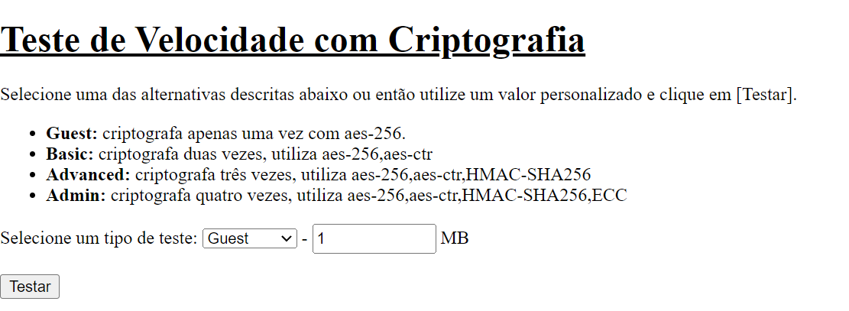

Encryption time
Guest - AES-CTR

Encryption time(s) | Packet Size(MB) | Decryption time(s) | Packet Size(MB)
0.0010001659393 | 1 | 0.00096774101257 | 1
0.0040035247803 | 5 | 0.003999710083 | 5
0.0067229270935 | 10 | 0.0060234069824 | 10
0.012011766434 | 20 | 0.012996673584 | 20
0.028767347336 | 50 | 0.027992963791 | 50

Guest - ECC

Encryption time(s) | Packet Size(MB) | Decryption time(s) | Packet Size(MB)
0.050411224365 | 1 | 0.028918266296 | 1
0.052857637405 | 5 | 0.029477834702 | 5
0.056685209274 | 10 | 0.031117677689 | 10
0.071166992188 | 20 | 0.044950962067 | 20
0.087232112885 | 50 | 0.062861919403 | 50

Guest - Blowfish

Encryption time(s) | Packet Size(MB) | Decryption time(s) | Packet Size(MB)
0.0064208507538 | 1 | 0.0052547454834 | 1
0.030915737152 | 5 | 0.028171777725 | 5
0.062403917313 | 10 | 0.057057619095 | 10
0.13536524773 | 20 | 0.13348197937 | 20
0.31026601791 | 50 | 0.32061862946 | 50

decryption time
Guest - Chacha20

Encryption time(s) | Packet Size(MB) | Decryption time(s) | Packet Size(MB)
0.00373005867 | 1 | 0.0030012130737 | 1
0.019956588745 | 5 | 0.020488977432 | 5
0.048200130463 | 10 | 0.092948913574 | 10
0.087943315506 | 20 | 0.078235149384 | 20
0.20878911018 | 50 | 0.20878911018 | 50

Guest - HMAC-SHA256

Encryption time(s) | Packet Size(MB) | Decryption time(s) | Packet Size(MB)
0.0042526721954 | 1 | 0.0045213699341 | 1
0.018479585648 | 5 | 0.018127918243 | 5
0.04829788208 | 10 | 0.039841890335 | 10
0.071998119354 | 20 | 0.081046581268 | 20
0.17748689651 | 50 | 0.25205183029 | 50

Guest - AES-128

Encryption time(s) | Packet Size(MB) | Decryption time(s) | Packet Size(MB)
0.00052165985107 | 1 | 0.0010485649109 | 1
0.0035347938538 | 5 | 0.0036952495575 | 5
0.0082938671112 | 10 | 0.010370254517 | 10
0.012590169907 | 20 | 0.011621713638 | 20
0.023467540741 | 50 | 0.021375656128 | 50

Guest - AES-256

Encryption time(s) | Packet Size(MB) | Decryption time(s) | Packet Size(MB)
0.0013127326965 | 1 | 0.00052928924561 | 1
0.003449678421 | 5 | 0.0020105838776 | 5
0.0046052932739 | 10 | 0.0056285858154 | 10
0.010998249054 | 20 | 0.010000228882 | 20
0.021952867508 | 50 | 0.024113178253 | 50

Encryption time

Basic - AES-256,blowfish

Encryption time(s) | Packet Size(MB) | Decryption time(s) | Packet Size(MB)
0.0069897174835 | 1 | 0.0060102939606 | 1
0.033000230789 | 5 | 0.030552148819 | 5
0.065411329269 | 10 | 0.06004858017 | 10
0.12972211838 | 20 | 0.12270760536 | 20
0.31869268417 | 50 | 0.29483890533 | 50

Basic -AES-256,chacha20

Encryption time(s) | Packet Size(MB) | Decryption time(s) | Packet Size(MB)
0.0040035247803 | 1 | 0.0040013790131 | 1
0.020164012909 | 5 | 0.02053809166 | 5
0.040710687637 | 10 | 0.040653944016 | 10
0.080856561661 | 20 | 0.0803835392 | 20
0.19585251808 | 50 | 0.19755077362 | 50

Basic -AES-256,ECC

decryption time
Encryption time(s) | Packet Size(MB) | Decryption time(s) | Packet Size(MB)
0.050552606583 | 1 | 0.026885509491 | 1
0.056349515915 | 5 | 0.030693292618 | 5
0.061578273773 | 10 | 0.040224075317 | 10
0.079314947128 | 20 | 0.054465532303 | 20
0.11088299751 | 50 | 0.088382959366 | 50

Basic -AES-256,HMAC-SHA256

Encryption time(s) | Packet Size(MB) | Decryption time(s) | Packet Size(MB)
0.0045127868652 | 1 | 0.0040676593781 | 1
0.02018737793 | 5 | 0.020406007767 | 5
0.043140172958 | 10 | 0.041953086853 | 10
0.083266973495 | 20 | 0.082952022552 | 20
0.19984912872 | 50 | 0.20321583748 | 50

Basic -AES-256,AES-CTR

Encryption time(s) | Packet Size(MB) | Decryption time(s) | Packet Size(MB)
0.0010001659393 | 1 | 0.00099968910217 | 1
0.0070648193359 | 5 | 0.0064148902893 | 5
0.012959480286 | 10 | 0.012507915497 | 10
0.023314476013 | 20 | 0.023836612701 | 20
0.05252122879 | 50 | 0.054833650589 | 50

Encryption time
Advanced -AES-256,AES-CTR,Blowfish

Encryption time(s) | Packet Size(MB) | Decryption time(s) | Packet Size(MB)
0.0078585147858 | 1 | 0.0072221755981 | 1
0.037499189377 | 5 | 0.035165786743 | 5
0.072759866714 | 10 | 0.067333936691 | 10
0.14608383179 | 20 | 0.15220880508 | 20
0.3638780117 | 50 | 0.34320306778 | 50

Advanced -AES-256,AES-CTR,Chacha20

Encryption time(s) | Packet Size(MB) | Decryption time(s) | Packet Size(MB)
0.0050110816956 | 1 | 0.00652384758 | 1
0.025993585587 | 5 | 0.024804115295 | 5
0.047916650772 | 10 | 0.047885417938 | 10
0.095685005188 | 20 | 0.094135046005 | 20
0.22534275055 | 50 | 0.24045085907 | 50

Advanced -AES-256,AES-CTR,ECC
decryption time
Encryption time(s) | Packet Size(MB) | Decryption time(s) | Packet Size(MB)
0.052273035049 | 1 | 0.027479887009 | 1
0.061957836151 | 5 | 0.03439450264 | 5
0.071181774139 | 10 | 0.048146486282 | 10
0.095668315887 | 20 | 0.074284076691 | 20
0.14344286919 | 50 | 0.12357091904 | 50

Advanced -AES-256,AES-CTR,HMAC-SHA256

Encryption time(s) | Packet Size(MB) | Decryption time(s) | Packet Size(MB)
0.0063149929047 | 1 | 0.0050384998322 | 1
0.025450229645 | 5 | 0.023159742355 | 5
0.047431945801 | 10 | 0.04666352272 | 10
0.094929456711 | 20 | 0.094726324081 | 20
0.22835445404 | 50 | 0.22894287109 | 50

Encryption time
Admin -AES-256,AES-CTR,HMAC-SHA256,Blowfish

Encryption time(s) | Packet Size(MB) | Decryption time(s) | Packet Size(MB)
0.011556625366 | 1 | 0.013553380966 | 1
0.054544687271 | 5 | 0.053088188171 | 5
0.10736393929 | 10 | 0.10585713387 | 10
0.21577000618 | 20 | 0.20667505264 | 20
0.53655552864 | 50 | 0.51851058006 | 50

Admin -AES-256,AES-CTR,HMAC-SHA256,ECC

Encryption time(s) | Packet Size(MB) | Decryption time(s) | Packet Size(MB)
0.053749084473 | 1 | 0.030559062958 | 1
0.074778795242 | 5 | 0.052331447601 | 5
0.10323047638 | 10 | 0.082512378693 | 10
0.16721320152 | 20 | 0.13872027397 | 20
0.31369376183 | 50 | 0.29318737984 | 50
decryption time

Admin -AES-256,AES-CTR,Chacha20,ECC

Encryption time(s) | Packet Size(MB) | Decryption time(s) | Packet Size(MB)
0.053361654282 | 1 | 0.030938148499 | 1
0.077208042145 | 5 | 0.055166244507 | 5
0.10483264923 | 10 | 0.087387561798 | 10
0.16454744339 | 20 | 0.13892292976 | 20
0.31508636475 | 50 | 0.29159164429 | 50

Versão2
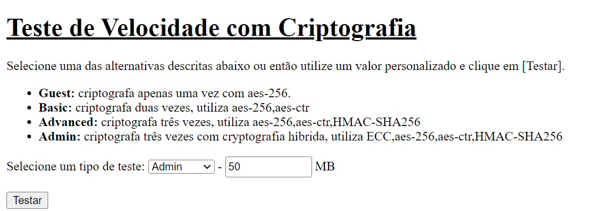
Admin - ECC(Hybrid),AES-256,AES-CTR,HMAC-SHA256

Encryption time(s) | Packet Size(MB) | Decryption time(s) | Packet Size(MB)
0.14978003502 | 1 | 0.079221963882 | 1
0.18157458305 | 5 | 0.10422372818 | 5
0.19133138657 | 10 | 0.12076854706 | 10
0.26195573807 | 20 | 0.25549936295 | 20
0.47031068802 | 50 | 0.47112774849 | 50

Encryption and Decryption time

Versão 3
Admin - AES-CTR,HMAC-SHA256,AES-256,ECC

Encryption Time
 | Admin - AES-CTR,HMAC-SHA256,AES-256,ECC | Admin - AES-256,HMAC-SHA256,AES-CTR,ECC | Admin - HMAC-SHA256,AES256,AES-CTR,ECC | Admin - HMAC-SHA256,AES-CTR,AES-256,ECC | Admin -AES-256,AES-CTR,HMAC-SHA256,ECC
1 | 0.052866458893 | 0.058309316635 | 0.052223682404 | 0.059568166733 | 0.053749084473
5 | 0.075999498367 | 0.076012611389 | 0.078777074814 | 0.075043201447 | 0.074778795242
10 | 0.11484456062 | 0.10670208931 | 0.10125589371 | 0.10199809074 | 0.10323047638
20 | 0.16304469109 | 0.16509175301 | 0.16450452805 | 0.15541672707 | 0.16721320152
50 | 0.42895460129 | 0.37496542931 | 0.46545791626 | 0.32821011543 | 0.31369376183
Encryption time(s) | Packet Size(MB) | Decryption time(s) | Packet Size(MB)
0.052866458893 | 1 | 0.033296585083 | 1
0.075999498367 | 5 | 0.052365779877 | 5
0.11484456062 | 10 | 0.102612257 | 10
0.16304469109 | 20 | 0.16402697563 | 20
0.42895460129 | 50 | 0.44548630714 | 50

Admin - AES-256,HMAC-SHA256,AES-CTR,ECC

Encryption time(s) | Packet Size(MB) | Decryption time(s) | Packet Size(MB)
0.058309316635 | 1 | 0.030488967896 | 1
0.076012611389 | 5 | 0.048987150192 | 5
0.10670208931 | 10 | 0.075479507446 | 10
0.16509175301 | 20 | 0.14376306534 | 20
0.37496542931 | 50 | 0.36439847946 | 50

Admin - HMAC-SHA256,AES256,AES-CTR,ECC

Decryption Time
 | Admin - AES-CTR,HMAC-SHA256,AES-256,ECC | Admin - AES-256,HMAC-SHA256,AES-CTR,ECC | Admin - HMAC-SHA256,AES256,AES-CTR,ECC | Admin - HMAC-SHA256,AES-CTR,AES-256,ECC | Admin -AES-256,AES-CTR,HMAC-SHA256,ECC
1 | 0.033296585083 | 0.030488967896 | 0.03325510025 | 0.032695531845 | 0.030559062958
5 | 0.052365779877 | 0.048987150192 | 0.053999900818 | 0.051695585251 | 0.052331447601
10 | 0.102612257 | 0.075479507446 | 0.07861828804 | 0.078998804092 | 0.082512378693
20 | 0.16402697563 | 0.14376306534 | 0.20259737968 | 0.1325647831 | 0.13872027397
50 | 0.44548630714 | 0.36439847946 | 0.40819311142 | 0.37499475479 | 0.29318737984
Encryption time(s) | Packet Size(MB) | Decryption time(s) | Packet Size(MB)
0.052223682404 | 1 | 0.03325510025 | 1
0.078777074814 | 5 | 0.053999900818 | 5
0.10125589371 | 10 | 0.07861828804 | 10
0.16450452805 | 20 | 0.20259737968 | 20
0.46545791626 | 50 | 0.40819311142 | 50

Admin - HMAC-SHA256,AES-CTR,AES-256,ECC

Encryption time(s) | Packet Size(MB) | Decryption time(s) | Packet Size(MB)
0.059568166733 | 1 | 0.032695531845 | 1
0.075043201447 | 5 | 0.051695585251 | 5
0.10199809074 | 10 | 0.078998804092 | 10
0.15541672707 | 20 | 0.1325647831 | 20
0.32821011543 | 50 | 0.37499475479 | 50

Quantidade de pacotes(SEM srv)
Encryption time
Guest - 1 Packet

Encryption time(s) | Packet Size(MB) | Decryption time(s) | Packet Size(MB)
0.0013127326965 | 1 | 0.00052928924561 | 1
0.003449678421 | 5 | 0.0020105838776 | 5
0.0046052932739 | 10 | 0.0056285858154 | 10
0.010998249054 | 20 | 0.010000228882 | 20
0.021952867508 | 50 | 0.024113178253 | 50

Guest - 10 Packets

Encryption time(s) | Packet Size(MB) | Decryption time(s) | Packet Size(MB)
0.0050055980682 | 1 | 0.0059978961945 | 1
0.053676366806 | 5 | 0.068164110184 | 5
0.044214487076 | 10 | 0.050258636475 | 10
0.099986314774 | 20 | 0.12312507629 | 20
0.21646094322 | 50 | 0.21953415871 | 50

Guest - 100 Packets

Encryption time(s) | Packet Size(MB) | Decryption time(s) | Packet Size(MB)
0.043147563934 | 1 | 0.043575048447 | 1
0.23405098915 | 5 | 0.28148913383 | 5
0.43600988388 | 10 | 0.4311645031 | 10
decryption time
0.90472126007 | 20 | 1.0410289764 | 20
7.3448884487 | 50 | 7.499332428 | 50

Guest - 1000 Packets

Encryption time(s) | Packet Size(MB) | Decryption time(s) | Packet Size(MB)
0.44268774986 | 1 | 0.43645954132 | 1
7.2937753201 | 5 | 7.334195137 | 5
67.493190527 | 10 | 67.600952625 | 10
 | 20 |  | 20
 | 50 |  | 50

Guest - 10,000 Packet

Encryption time(s) | Packet Size(MB) | Decryption time(s) | Packet Size(MB)
 | 1 |  | 1
 | 5 |  | 5
 | 10 |  | 10
 | 20 |  | 20
 | 50 |  | 50

Guest - 100,000 Packet

Encryption time(s) | Packet Size(MB) | Decryption time(s) | Packet Size(MB)
 | 1 |  | 1
 | 5 |  | 5
 | 10 |  | 10
 | 20 |  | 20
 | 50 |  | 50

Basic - 1 Packet

Encryption time
Encryption time(s) | Packet Size(MB) | Decryption time(s) | Packet Size(MB)
0.0010001659393 | 1 | 0.00099968910217 | 1
0.0070648193359 | 5 | 0.0064148902893 | 5
0.012959480286 | 10 | 0.012507915497 | 10
0.023314476013 | 20 | 0.023836612701 | 20
0.05252122879 | 50 | 0.054833650589 | 50

Basic - 10 Packets

Encryption time(s) | Packet Size(MB) | Decryption time(s) | Packet Size(MB)
0.012603521347 | 1 | 0.011999845505 | 1
0.096925497055 | 5 | 0.095191955566 | 5
0.1415514946 | 10 | 0.15060806274 | 10
0.23099303246 | 20 | 0.255007267 | 20
0.79606485367 | 50 | 0.80078530312 | 50

Basic - 100 Packets

Encryption time(s) | Packet Size(MB) | Decryption time(s) | Packet Size(MB)
0.098683834076 | 1 | 0.099109649658 | 1
0.64679145813 | 5 | 0.66766119003 | 5
1.0358936787 | 10 | 1.1958734989 | 10
1.3019011021 | 20 | 1.3188145161 | 20
decryption time
8.2111856937 | 50 | 9.0717122555 | 50

Basic - 1000 Packets

Encryption time(s) | Packet Size(MB) | Decryption time(s) | Packet Size(MB)
 | 1 |  | 1
 | 5 |  | 5
 | 10 |  | 10
 | 20 |  | 20
 | 50 |  | 50

Basic - 10,000 Packet

Encryption time(s) | Packet Size(MB) | Decryption time(s) | Packet Size(MB)
 | 1 |  | 1
 | 5 |  | 5
 | 10 |  | 10
 | 20 |  | 20
 | 50 |  | 50

Basic - 100,000 Packet

Encryption time(s) | Packet Size(MB) | Decryption time(s) | Packet Size(MB)
 | 1 |  | 1
 | 5 |  | 5
 | 10 |  | 10
 | 20 |  | 20
 | 50 |  | 50

Encryption time
Advanced - 1 Packet

Encryption time(s) | Packet Size(MB) | Decryption time(s) | Packet Size(MB)
0.0063149929047 | 1 | 0.0050384998322 | 1
0.025450229645 | 5 | 0.023159742355 | 5
0.047431945801 | 10 | 0.04666352272 | 10
0.094929456711 | 20 | 0.094726324081 | 20
0.22835445404 | 50 | 0.22894287109 | 50

Advanced - 10 Packets

Encryption time(s) | Packet Size(MB) | Decryption time(s) | Packet Size(MB)
0.064731359482 | 1 | 0.05012011528 | 1
0.22764587402 | 5 | 0.22644686699 | 5
0.44703507423 | 10 | 0.44644474983 | 10
0.91363024712 | 20 | 0.92035770416 | 20
2.2502310276 | 50 | 2.3384819031 | 50

Advanced - 100 Packets

decryption time
Encryption time(s) | Packet Size(MB) | Decryption time(s) | Packet Size(MB)
0.44529461861 | 1 | 0.4496049881 | 1
2.2441260815 | 5 | 2.3139672279 | 5
4.5901179314 | 10 | 5.156453371 | 10
9.3473250866 | 20 | 23.327847958 | 20
 | 50 |  | 50

Advanced - 1000 Packets

Encryption time(s) | Packet Size(MB) | Decryption time(s) | Packet Size(MB)
 | 1 |  | 1
 | 5 |  | 5
 | 10 |  | 10
 | 20 |  | 20
 | 50 |  | 50

Advanced - 10,000 Packet

Encryption time(s) | Packet Size(MB) | Decryption time(s) | Packet Size(MB)
 | 1 |  | 1
 | 5 |  | 5
 | 10 |  | 10
 | 20 |  | 20
 | 50 |  | 50

Advanced - 100,000 Packet

Encryption time(s) | Packet Size(MB) | Decryption time(s) | Packet Size(MB)
 | 1 |  | 1
 | 5 |  | 5
 | 10 |  | 10
 | 20 |  | 20
 | 50 |  | 50
Encryption time
Admin - 1 Packet

Encryption time(s) | Packet Size(MB) | Decryption time(s) | Packet Size(MB)
0.053749084473 | 1 | 0.030559062958 | 1
0.074778795242 | 5 | 0.052331447601 | 5
0.10323047638 | 10 | 0.082512378693 | 10
0.16721320152 | 20 | 0.13872027397 | 20
0.31369376183 | 50 | 0.29318737984 | 50

Admin - 10 Packets

Encryption time(s) | Packet Size(MB) | Decryption time(s) | Packet Size(MB)
0.10570120811 | 1 | 0.080039739609 | 1
0.37626767159 | 5 | 0.30831980705 | 5
0.59073781967 | 10 | 0.61450719833 | 10
1.0878443718 | 20 | 1.1767890453 | 20
2.6677393913 | 50 | 3.0693724155 | 50
decryption time
Admin - 100 Packets

Encryption time(s) | Packet Size(MB) | Decryption time(s) | Packet Size(MB)
0.5747525692 | 1 | 0.55142784119 | 1
2.7044148445 | 5 | 2.979568243 | 5
5.6199884415 | 10 | 10.918782234 | 10
16.110524654 | 20 | 36.475500345 | 20
 | 50 |  | 50

Admin - 1000 Packets

Encryption time(s) | Packet Size(MB) | Decryption time(s) | Packet Size(MB)
 | 1 |  | 1
 | 5 |  | 5
 | 10 |  | 10
 | 20 |  | 20
 | 50 |  | 50

Admin - 10,000 Packet

Encryption time(s) | Packet Size(MB) | Decryption time(s) | Packet Size(MB)
 | 1 |  | 1
 | 5 |  | 5
 | 10 |  | 10
 | 20 |  | 20
 | 50 |  | 50

Admin - 100,000 Packet

Encryption time(s) | Packet Size(MB) | Decryption time(s) | Packet Size(MB)
 | 1 |  | 1
 | 5 |  | 5
 | 10 |  | 10
 | 20 |  | 20
 | 50 |  | 50

Quantidade de pacotes(COM srv)
Encryption time
Guest - 1 Packet

Encryption time(s) | Packet Size(MB) | Decryption time(s) | Packet Size(MB)
0.00051617622375 | 1 | 0.00051927566528 | 1
0.0015354156494 | 5 | 0.0015170574188 | 5
0.0030028820038 | 10 | 0.0030000209808 | 10
0.0066781044006 | 20 | 0.0060138702393 | 20
0.016829967499 | 50 | 0.014065742493 | 50

Guest - 10 Packets

Encryption time(s) | Packet Size(MB) | Decryption time(s) | Packet Size(MB)
0.0030879974365 | 1 | 0.0031363964081 | 1
0.014636993408 | 5 | 0.014040470123 | 5
0.036225795746 | 10 | 0.028825998306 | 10
0.05802154541 | 20 | 0.047899484634 | 20
0.17437386513 | 50 | 0.16105079651 | 50

Guest - 100 Packets

Encryption time(s) | Packet Size(MB) | Decryption time(s) | Packet Size(MB)
0.030383586884 | 1 | 0.021330833435 | 1
0.16846418381 | 5 | 0.16074466705 | 5
0.34561085701 | 10 | 0.30047273636 | 10
decryption time
0.56412267685 | 20 | 0.56085538864 | 20
1.3990113735 | 50 | 1.6755957603 | 50

Guest - 1000 Packets

Encryption time(s) | Packet Size(MB) | Decryption time(s) | Packet Size(MB)
0.28544569016 | 1 | 0.31492829323 | 1
1.4087095261 | 5 | 1.6463420391 | 5
4.1181061268 | 10 | 4.2604122162 | 10
7.8304815292 | 20 | 7.5994472504 | 20
41.12523365 | 50 | 45.71249032 | 50

Guest - 10,000 Packet

Encryption time(s) | Packet Size(MB) | Decryption time(s) | Packet Size(MB)
2.8414824009 | 1 | 3.2811536789 | 1
48.461597681 | 5 | 48.115339756 | 5
 | 10 |  | 10
 | 20 |  | 20
 | 50 |  | 50

Guest - 100,000 Packet

Encryption time(s) | Packet Size(MB) | Decryption time(s) | Packet Size(MB)
 | 1 |  | 1
 | 5 |  | 5
 | 10 |  | 10
 | 20 |  | 20
 | 50 |  | 50

Basic - 1 Packet

Encryption time
Encryption time(s) | Packet Size(MB) | Decryption time(s) | Packet Size(MB)
0.0010030269623 | 1 | 0.00099992752075 | 1
0.0039999485016 | 5 | 0.003999710083 | 5
0.0070457458496 | 10 | 0.008588552475 | 10
0.018387556076 | 20 | 0.019614934921 | 20
0.035671234131 | 50 | 0.032867431641 | 50

Basic - 10 Packets

Encryption time(s) | Packet Size(MB) | Decryption time(s) | Packet Size(MB)
0.0070972442627 | 1 | 0.0067434310913 | 1
0.034336090088 | 5 | 0.033970594406 | 5
0.074981451035 | 10 | 0.084012746811 | 10
0.13429307938 | 20 | 0.17634177208 | 20
0.32746148109 | 50 | 0.33424758911 | 50

Basic - 100 Packets

Encryption time(s) | Packet Size(MB) | Decryption time(s) | Packet Size(MB)
0.066952228546 | 1 | 0.064042806625 | 1
0.33031392097 | 5 | 0.33038401604 | 5
0.70188474655 | 10 | 0.77068018913 | 10
1.269007206 | 20 | 1.3383641243 | 20
decryption time
3.2219147682 | 50 | 3.3867037296 | 50

Basic - 1000 Packets

Encryption time(s) | Packet Size(MB) | Decryption time(s) | Packet Size(MB)
0.62509179115 | 1 | 0.65465497971 | 1
3.2694737911 | 5 | 3.3963530064 | 5
7.2361724377 | 10 | 7.6050488949 | 10
18.258660555 | 20 | 18.364830732 | 20
 | 50 |  | 50

Basic - 10,000 Packet

Encryption time(s) | Packet Size(MB) | Decryption time(s) | Packet Size(MB)
 | 1 |  | 1
 | 5 |  | 5
 | 10 |  | 10
 | 20 |  | 20
 | 50 |  | 50

Basic - 100,000 Packet

Encryption time(s) | Packet Size(MB) | Decryption time(s) | Packet Size(MB)
 | 1 |  | 1
 | 5 |  | 5
 | 10 |  | 10
 | 20 |  | 20
 | 50 |  | 50

Encryption time
Advanced - 1 Packet

Encryption time(s) | Packet Size(MB) | Decryption time(s) | Packet Size(MB)
0.0049450397491 | 1 | 0.0035810470581 | 1
0.016290664673 | 5 | 0.015576601028 | 5
0.037168979645 | 10 | 0.032118558884 | 10
0.063296318054 | 20 | 0.064211606979 | 20
0.16007757187 | 50 | 0.156457901 | 50

Advanced - 10 Packets

Encryption time(s) | Packet Size(MB) | Decryption time(s) | Packet Size(MB)
0.032088041306 | 1 | 0.032210350037 | 1
0.1616256237 | 5 | 0.15326666832 | 5
0.31054830551 | 10 | 0.33547139168 | 10
0.63038468361 | 20 | 0.68546581268 | 20
1.6089818478 | 50 | 1.6131696701 | 50

Advanced - 100 Packets

decryption time
Encryption time(s) | Packet Size(MB) | Decryption time(s) | Packet Size(MB)
0.31568789482 | 1 | 0.31405210495 | 1
1.6012530327 | 5 | 1.5858492851 | 5
3.1596393585 | 10 | 3.1864855289 | 10
6.4276943207 | 20 | 6.7640638351 | 20
15.890626192 | 50 | 15.986153364 | 50

Advanced - 1000 Packets

Encryption time(s) | Packet Size(MB) | Decryption time(s) | Packet Size(MB)
3.1714835167 | 1 | 3.1519548893 | 1
16.03037715 | 5 | 15.826175451 | 5
32.467896938 | 10 | 33.740636587 | 10
68.394892693 | 20 | 139.38206387 | 20
 | 50 |  | 50

Advanced - 10,000 Packet

Encryption time(s) | Packet Size(MB) | Decryption time(s) | Packet Size(MB)
 | 1 |  | 1
 | 5 |  | 5
 | 10 |  | 10
 | 20 |  | 20
 | 50 |  | 50

Advanced - 100,000 Packet

Encryption time(s) | Packet Size(MB) | Decryption time(s) | Packet Size(MB)
 | 1 |  | 1
 | 5 |  | 5
 | 10 |  | 10
 | 20 |  | 20
 | 50 |  | 50
Encryption time
Admin - 1 Packet

Encryption time(s) | Packet Size(MB) | Decryption time(s) | Packet Size(MB)
0.02709031105 | 1 | 0.020751953125 | 1
0.045320272446 | 5 | 0.031624078751 | 5
0.061156749725 | 10 | 0.052362918854 | 10
0.10152816772 | 20 | 0.084648132324 | 20
0.21069383621 | 50 | 0.20608043671 | 50

Admin - 10 Packets

Encryption time(s) | Packet Size(MB) | Decryption time(s) | Packet Size(MB)
0.065080165863 | 1 | 0.048680067062 | 1
0.20603561401 | 5 | 0.20647859573 | 5
0.40050506592 | 10 | 0.37815833092 | 10
0.75437116623 | 20 | 0.74582886696 | 20
1.8651528358 | 50 | 1.8756606579 | 50
decryption time
Admin - 100 Packets

Encryption time(s) | Packet Size(MB) | Decryption time(s) | Packet Size(MB)
0.39336133003 | 1 | 0.37499904633 | 1
1.8545715809 | 5 | 1.842243433 | 5
3.6758790016 | 10 | 3.6804156303 | 10
7.4471657276 | 20 | 7.3654463291 | 20
18.496660233 | 50 | 18.781798124 | 50

Admin - 1000 Packets

Encryption time(s) | Packet Size(MB) | Decryption time(s) | Packet Size(MB)
3.6746470928 | 1 | 3.6752693653 | 1
18.542076349 | 5 | 19.051727057 | 5
38.331925631 | 10 | 38.084765196 | 10
85.638963938 | 20 | 161.71397948 | 20
 | 50 |  | 50

Admin - 10,000 Packet

Encryption time(s) | Packet Size(MB) | Decryption time(s) | Packet Size(MB)
 | 1 |  | 1
 | 5 |  | 5
 | 10 |  | 10
 | 20 |  | 20
 | 50 |  | 50

Admin - 100,000 Packet

Encryption time(s) | Packet Size(MB) | Decryption time(s) | Packet Size(MB)
 | 1 |  | 1
 | 5 |  | 5
 | 10 |  | 10
 | 20 |  | 20
 | 50 |  | 50

Quantidade de pacotes(KB)
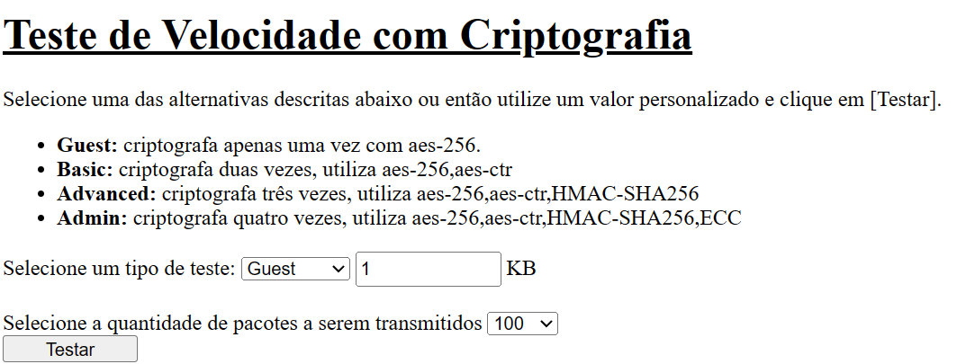

Guest - 100 packets

Encryption Time - Guest level
Encryption time(s) | Packet Size(KB) | Decryption time(s) | Packet Size(KB)
0.0005362033844 | 1 | 0.00050854682922 | 1
0.00051546096802 | 5 | 0.00052332878113 | 5
0.0010330677032 | 10 | 0.00052285194397 | 10
0.0010139942169 | 15 | 0.00050806999207 | 15
0.0011057853699 | 20 | 0.00050330162048 | 20
0.0010313987732 | 25 | 0.0010316371918 | 25
0.0010302066803 | 30 | 0.0010063648224 | 30
0.0010316371918 | 35 | 0.0010297298431 | 35
0.0013659000397 | 40 | 0.001024723053 | 40
0.0015463829041 | 45 | 0.0015437602997 | 45
0.0015485286713 | 50 | 0.0017895698547 | 50
0.0020353794098 | 55 | 0.0015411376953 | 55
0.0020530223846 | 60 | 0.0016000270844 | 60
0.002058506012 | 65 | 0.0020587444305 | 65
0.0021314620972 | 70 | 0.0021457672119 | 70
0.0025217533112 | 75 | 0.0027322769165 | 75
0.0025684833527 | 80 | 0.002571105957 | 80
0.0025753974915 | 85 | 0.0030179023743 | 85
0.0038411617279 | 90 | 0.0025780200958 | 90
0.0025796890259 | 95 | 0.0025217533112 | 95
0.0030877590179 | 100 | 0.0030670166016 | 100
0.0031154155731 | 105 | 0.0035252571106 | 105
0.0030879974365 | 110 | 0.0035710334778 | 110
0.0041506290436 | 115 | 0.0036406517029 | 115
0.0039982795715 | 120 | 0.0039999485016 | 120

Guest - 1000 packets
Decryption Time - Guest level

Encryption time(s) | Packet Size(KB) | Decryption time(s) | Packet Size(KB)
0.0005099773407 | 1 | 0.00051856040955 | 1
0.001805305481 | 5 | 0.0015470981598 | 5
0.0029997825623 | 10 | 0.003000497818 | 10
0.0059208869934 | 15 | 0.0046789646149 | 15
0.0060029029846 | 20 | 0.0069997310638 | 20
0.010011672974 | 25 | 0.0092978477478 | 25
0.010456562042 | 30 | 0.01021528244 | 30
0.012178897858 | 35 | 0.0097732543945 | 35
0.012755155563 | 40 | 0.011763572693 | 40
0.013214826584 | 45 | 0.010471343994 | 45
0.013840198517 | 50 | 0.014875173569 | 50
0.020575761795 | 55 | 0.015735387802 | 55
0.022616863251 | 60 | 0.018324613571 | 60
0.024681091309 | 65 | 0.01905465126 | 65
0.024911642075 | 70 | 0.020002841949 | 70
0.022021770477 | 75 | 0.021952390671 | 75
0.024215221405 | 80 | 0.023346662521 | 80
0.023472309113 | 85 | 0.025508880615 | 85
0.026347637177 | 90 | 0.026104450226 | 90
0.026072740555 | 95 | 0.028220176697 | 95
0.027721881866 | 100 | 0.033037662506 | 100
0.030588388443 | 105 | 0.02894449234 | 105
0.030749559402 | 110 | 0.033863782883 | 110
0.033251523972 | 115 | 0.03262758255 | 115
0.035855054855 | 120 | 0.033163547516 | 120

Guest - 10,000 packets

Encryption time(s) | Packet Size(KB) | Decryption time(s) | Packet Size(KB)
0.0030851364136 | 1 | 0.0031328201294 | 1
0.013958930969 | 5 | 0.014170408249 | 5
0.026141881943 | 10 | 0.033976078033 | 10
0.042762756348 | 15 | 0.042991161346 | 15
0.058483600616 | 20 | 0.055953264236 | 20
0.071113824844 | 25 | 0.071224212646 | 25
0.082539081573 | 30 | 0.088249921799 | 30
0.099324226379 | 35 | 0.099440813065 | 35
0.11318063736 | 40 | 0.11386537552 | 40
0.12693595886 | 45 | 0.12272262573 | 45
0.14725017548 | 50 | 0.1408469677 | 50
0.15608525276 | 55 | 0.15770292282 | 55
0.16221928596 | 60 | 0.18893575668 | 60
0.18634700775 | 65 | 0.184060812 | 65
0.19554972649 | 70 | 0.20511269569 | 70
0.21192002296 | 75 | 0.2141520977 | 75
0.22235846519 | 80 | 0.26206421852 | 80
0.24019885063 | 85 | 0.27015137672 | 85
0.25275373459 | 90 | 0.2821829319 | 90
0.26664090157 | 95 | 0.2811627388 | 95
0.27832245827 | 100 | 0.31606984138 | 100
0.29827404022 | 105 | 0.36045646667 | 105
0.30706191063 | 110 | 0.35900449753 | 110
0.31768918037 | 115 | 0.36966776848 | 115
0.34254312515 | 120 | 0.40852570534 | 120

Guest - 100,000 packets

Encryption time(s) | Packet Size(KB) | Decryption time(s) | Packet Size(KB)
0.029438972473 | 1 | 0.028207540512 | 1
0.14274835587 | 5 | 0.1335144043 | 5
0.28218770027 | 10 | 0.29131340981 | 10
0.46366977692 | 15 | 0.49742436409 | 15
0.69441127777 | 20 | 0.66569757462 | 20
0.8546462059 | 25 | 0.94507193565 | 25
1.154419899 | 30 | 1.1362199783 | 30
1.3453679085 | 35 | 1.3439729214 | 35
1.5762116909 | 40 | 1.5437078476 | 40
1.8513300419 | 45 | 1.7441170216 | 45
1.9385700226 | 50 | 1.9366197586 | 50
2.1001472473 | 55 | 2.0739150047 | 55
2.4798750877 | 60 | 2.3720138073 | 60
2.5435612202 | 65 | 2.5640480518 | 65
2.8135709763 | 70 | 2.765630722 | 70
2.8997733593 | 75 | 3.0221681595 | 75
3.0306646824 | 80 | 3.1396560669 | 80
3.2925195694 | 85 | 3.6263444424 | 85
3.5439565182 | 90 | 3.8472445011 | 90
3.8075358868 | 95 | 4.8413829803 | 95
3.8942596912 | 100 | 5.6077582836 | 100
4.0806527138 | 105 | 6.9478261471 | 105
4.6423983574 | 110 | 9.0005197525 | 110
4.8106050491 | 115 | 10.984096289 | 115
5.4472870827 | 120 | 11.966047287 | 120

Basic - 100 packets

Encryption Time - Basic level
Encryption time(s) | Packet Size(KB) | Decryption time(s) | Packet Size(KB)
0.00050568580627 | 1 | 0.00050902366638 | 1
0.00050950050354 | 5 | 0.00054240226746 | 5
0.0010251998901 | 10 | 0.0015439987183 | 10
0.0015242099762 | 15 | 0.0015161037445 | 15
0.001549243927 | 20 | 0.0015561580658 | 20
0.0020554065704 | 25 | 0.0015871524811 | 25
0.0025744438171 | 30 | 0.0020554065704 | 30
0.0030069351196 | 35 | 0.0030012130737 | 35
0.0030875205994 | 40 | 0.0025646686554 | 40
0.0034956932068 | 45 | 0.0030210018158 | 45
0.0035178661346 | 50 | 0.0040717124939 | 50
0.0040285587311 | 55 | 0.0037817955017 | 55
0.0042848587036 | 60 | 0.0040009021759 | 60
0.0046653747559 | 65 | 0.0045785903931 | 65
0.005003452301 | 70 | 0.0049991607666 | 70
0.0057382583618 | 75 | 0.0046598911285 | 75
0.0056674480438 | 80 | 0.0051743984222 | 80
0.0057847499847 | 85 | 0.0061867237091 | 85
0.0060906410217 | 90 | 0.0063464641571 | 90
0.0061078071594 | 95 | 0.0070021152496 | 95
0.0074055194855 | 100 | 0.0066919326782 | 100
0.0077612400055 | 105 | 0.0072033405304 | 105
0.0078275203705 | 110 | 0.007227897644 | 110
0.0081870555878 | 115 | 0.0080008506775 | 115
0.0086448192596 | 120 | 0.0079472064972 | 120

Basic - 1000 packets
Decryption Time - Basic level

Encryption time(s) | Packet Size(KB) | Decryption time(s) | Packet Size(KB)
0.0010311603546 | 1 | 0.0010054111481 | 1
0.0036280155182 | 5 | 0.003666639328 | 5
0.006096124649 | 10 | 0.0069997310638 | 10
0.010663986206 | 15 | 0.010035991669 | 15
0.013358354568 | 20 | 0.016792297363 | 20
0.020044088364 | 25 | 0.018296480179 | 25
0.020698547363 | 30 | 0.021374464035 | 30
0.025251626968 | 35 | 0.024361848831 | 35
0.025607347488 | 40 | 0.025971889496 | 40
0.028258323669 | 45 | 0.030042171478 | 45
0.036462783813 | 50 | 0.032331705093 | 50
0.044794559479 | 55 | 0.035147190094 | 55
0.045214414597 | 60 | 0.038851499557 | 60
0.047891616821 | 65 | 0.041773080826 | 65
0.046918869019 | 70 | 0.046005487442 | 70
0.052884817123 | 75 | 0.048349380493 | 75
0.052457809448 | 80 | 0.05429816246 | 80
0.063309907913 | 85 | 0.055252552032 | 85
0.066006660461 | 90 | 0.05837726593 | 90
0.063687086105 | 95 | 0.060791015625 | 95
0.065939188004 | 100 | 0.060844421387 | 100
0.072821140289 | 105 | 0.06839299202 | 105
0.071870803833 | 110 | 0.07262301445 | 110
0.074592590332 | 115 | 0.070376157761 | 115
0.078439950943 | 120 | 0.079893350601 | 120

Basic - 10,000 packets

Encryption time(s) | Packet Size(KB) | Decryption time(s) | Packet Size(KB)
0.0068702697754 | 1 | 0.0066668987274 | 1
0.03230881691 | 5 | 0.033424854279 | 5
0.064539432526 | 10 | 0.060768127441 | 10
0.093831300735 | 15 | 0.099514484406 | 15
0.12583136559 | 20 | 0.12533593178 | 20
0.16310501099 | 25 | 0.15934848785 | 25
0.1938996315 | 30 | 0.18963003159 | 30
0.22694802284 | 35 | 0.21610450745 | 35
0.25097107887 | 40 | 0.25505924225 | 40
0.28368163109 | 45 | 0.29071593285 | 45
0.31374144554 | 50 | 0.35782027245 | 50
0.34802007675 | 55 | 0.34981870651 | 55
0.38537573814 | 60 | 0.41799902916 | 60
0.4183139801 | 65 | 0.44002652168 | 65
0.45210266113 | 70 | 0.45417189598 | 70
0.48781347275 | 75 | 0.48463106155 | 75
0.51521682739 | 80 | 0.51603007317 | 80
0.54702210426 | 85 | 0.58828401566 | 85
0.57498383522 | 90 | 0.6218328476 | 90
0.6188018322 | 95 | 0.61545372009 | 95
0.64983534813 | 100 | 0.63774609566 | 100
0.66727566719 | 105 | 0.71900081635 | 105
0.71756339073 | 110 | 0.69809365273 | 110
0.74180197716 | 115 | 0.7847931385 | 115
0.7821199894 | 120 | 0.81092381477 | 120

Basic - 100,000 packets

Encryption time(s) | Packet Size(KB) | Decryption time(s) | Packet Size(KB)
0.064463376999 | 1 | 0.060953855515 | 1
0.32251572609 | 5 | 0.32103776932 | 5
0.63430380821 | 10 | 0.69933700562 | 10
0.95120477676 | 15 | 0.99627995491 | 15
1.2914783955 | 20 | 1.310280323 | 20
1.6281924248 | 25 | 1.9076395035 | 25
1.9568765163 | 30 | 2.3012607098 | 30
2.5129544735 | 35 | 2.7372226715 | 35
2.8053901196 | 40 | 3.0854167938 | 40
3.2239379883 | 45 | 3.5484774113 | 45
3.7399950027 | 50 | 4.0007956028 | 50
4.1437644958 | 55 | 4.4672894478 | 55
4.67288661 | 60 | 4.6238453388 | 60
5.0077536106 | 65 | 5.9697916508 | 65
5.4166898727 | 70 | 6.0174047947 | 70
6.0837626457 | 75 | 6.0188004971 | 75
6.4345021248 | 80 | 7.6594324112 | 80
6.9181468487 | 85 | 11.734811068 | 85
7.8184483051 | 90 | 12.569398165 | 90
8.2128565311 | 95 | 14.54325366 | 95
9.7709462643 | 100 | 17.834089518 | 100
11.001088858 | 105 | 19.376193285 | 105
12.50553298 | 110 | 21.517547369 | 110
14.665275335 | 115 | 17.101208448 | 115
16.766560793 | 120 | 18.653636932 | 120

Advanced - 100 packets

Encryption Time - Advanced level
Encryption time(s) | Packet Size(KB) | Decryption time(s) | Packet Size(KB)
0.00051665306091 | 1 | 0.00051045417786 | 1
0.0022096633911 | 5 | 0.0020387172699 | 5
0.0043427944183 | 10 | 0.0036087036133 | 10
0.0059990882874 | 15 | 0.0047047138214 | 15
0.0066714286804 | 20 | 0.0063896179199 | 20
0.0084953308105 | 25 | 0.0078558921814 | 25
0.014083862305 | 30 | 0.0092751979828 | 30
0.016998052597 | 35 | 0.011132955551 | 35
0.012826919556 | 40 | 0.011723518372 | 40
0.014938116074 | 45 | 0.013680934906 | 45
0.016512155533 | 50 | 0.012966871262 | 50
0.020144462585 | 55 | 0.016446113586 | 55
0.023379087448 | 60 | 0.018988370895 | 60
0.024529457092 | 65 | 0.021438121796 | 65
0.022391080856 | 70 | 0.021730184555 | 70
0.025518417358 | 75 | 0.023407936096 | 75
0.024724245071 | 80 | 0.02544927597 | 80
0.028644323349 | 85 | 0.026108503342 | 85
0.028344392776 | 90 | 0.028416395187 | 90
0.033272981644 | 95 | 0.029527187347 | 95
0.030688762665 | 100 | 0.032354593277 | 100
0.032042741776 | 105 | 0.032314538956 | 105
0.039700984955 | 110 | 0.034603357315 | 110
0.041570901871 | 115 | 0.037462949753 | 115
0.038625001907 | 120 | 0.037710189819 | 120

Advanced - 1000 packets

Decryption time - Advanced level
Encryption time(s) | Packet Size(KB) | Decryption time(s) | Packet Size(KB)
0.0035455226898 | 1 | 0.0040028095245 | 1
0.015521764755 | 5 | 0.016550540924 | 5
0.032298088074 | 10 | 0.031637191772 | 10
0.051954507828 | 15 | 0.046533107758 | 15
0.068426609039 | 20 | 0.064017057419 | 20
0.084985256195 | 25 | 0.078320741653 | 25
0.095677137375 | 30 | 0.093313694 | 30
0.10545015335 | 35 | 0.11061668396 | 35
0.12542319298 | 40 | 0.12423229218 | 40
0.13740444183 | 45 | 0.13513207436 | 45
0.1556289196 | 50 | 0.15456223488 | 50
0.16361808777 | 55 | 0.16583108902 | 55
0.18965196609 | 60 | 0.18843340874 | 60
0.19763922691 | 65 | 0.20259189606 | 65
0.2152929306 | 70 | 0.21932721138 | 70
0.23799729347 | 75 | 0.22395324707 | 75
0.24774456024 | 80 | 0.24922418594 | 80
0.27086138725 | 85 | 0.26130723953 | 85
0.28245067596 | 90 | 0.28297591209 | 90
0.28806757927 | 95 | 0.29552745819 | 95
0.31469988823 | 100 | 0.30443739891 | 100
0.3218421936 | 105 | 0.3223900795 | 105
0.33958506584 | 110 | 0.33193469048 | 110
0.35591173172 | 115 | 0.35856294632 | 115
0.37497544289 | 120 | 0.3681178093 | 120

Advanced - 10,000 packets

Encryption time(s) | Packet Size(KB) | Decryption time(s) | Packet Size(KB)
0.031355619431 | 1 | 0.03146648407 | 1
0.15987539291 | 5 | 0.15454912186 | 5
0.30775117874 | 10 | 0.30425715446 | 10
0.47106122971 | 15 | 0.46595597267 | 15
0.64845228195 | 20 | 0.64635109901 | 20
0.77277684212 | 25 | 0.77160811424 | 25
0.92257142067 | 30 | 0.92216229439 | 30
1.0809407234 | 35 | 1.0895440578 | 35
1.290312767 | 40 | 1.2274236679 | 40
1.3773634434 | 45 | 1.3812625408 | 45
1.5350868702 | 50 | 1.5391545296 | 50
1.6974534988 | 55 | 1.6995508671 | 55
1.8439269066 | 60 | 2.0669431686 | 60
2.0170397758 | 65 | 2.0175554752 | 65
2.1496479511 | 70 | 2.1525354385 | 70
2.3059079647 | 75 | 2.3267908096 | 75
2.4567575455 | 80 | 2.4621334076 | 80
2.6341471672 | 85 | 2.6472916603 | 85
2.7713265419 | 90 | 2.768625021 | 90
2.9344241619 | 95 | 2.9219970703 | 95
3.2348172665 | 100 | 3.092416048 | 100
3.2301793098 | 105 | 3.2288274765 | 105
3.4397258759 | 110 | 3.4364259243 | 110
3.5536637306 | 115 | 3.5382418633 | 115
3.7154164314 | 120 | 3.6999156475 | 120

Advanced - 100,000 packets

Encryption time(s) | Packet Size(KB) | Decryption time(s) | Packet Size(KB)
0.30721616745 | 1 | 0.30095934868 | 1
1.5339283943 | 5 | 1.5494761467 | 5
3.0850491524 | 10 | 3.0799517632 | 10
4.6512744427 | 15 | 4.6158678532 | 15
6.1811778545 | 20 | 6.19160676 | 20
8.154450655 | 25 | 8.0381839275 | 25
9.2835590839 | 30 | 9.9989366531 | 30
10.828182936 | 35 | 11.653826714 | 35
12.38927269 | 40 | 13.410555601 | 40
13.962999821 | 45 | 15.013796091 | 45
15.693917274 | 50 | 17.395507574 | 50
17.175668955 | 55 | 21.946078539 | 55
18.851935863 | 60 | 26.087228537 | 60
20.632309198 | 65 | 31.796603918 | 65
22.439109564 | 70 | 36.998943806 | 70
23.956279278 | 75 | 41.755912781 | 75
25.427820444 | 80 | 40.288380861 | 80
26.552810669 | 85 | 40.869301319 | 85
29.105151176 | 90 | 44.321993351 | 90
30.536199808 | 95 | 52.987780094 | 95
32.301744699 | 100 | 53.015234232 | 100
34.530305386 | 105 | 50.929653406 | 105
35.977048874 | 110 | 45.471694231 | 110
37.901487112 | 115 | 54.751101971 | 115
39.622131348 | 120 | 55.012845755 | 120

Admin - 100 packets

Encryption time - Admin level
Encryption time(s) | Packet Size(KB) | Decryption time(s) | Packet Size(KB)
0.02746295929 | 1 | 0.015205621719 | 1
0.02934551239 | 5 | 0.014020442963 | 5
0.033178329468 | 10 | 0.020839691162 | 10
0.03434920311 | 15 | 0.018665075302 | 15
0.033609628677 | 20 | 0.019863128662 | 20
0.040410041809 | 25 | 0.021537303925 | 25
0.039573431015 | 30 | 0.02258682251 | 30
0.038669586182 | 35 | 0.024316072464 | 35
0.041398048401 | 40 | 0.030042409897 | 40
0.043097257614 | 45 | 0.028873205185 | 45
0.047291755676 | 50 | 0.030081987381 | 50
0.050736427307 | 55 | 0.030982971191 | 55
0.048080682755 | 60 | 0.032152414322 | 60
0.048768997192 | 65 | 0.03271484375 | 65
0.052911758423 | 70 | 0.031834363937 | 70
0.050458192825 | 75 | 0.041263818741 | 75
0.053270339966 | 80 | 0.041969299316 | 80
0.055267095566 | 85 | 0.04115819931 | 85
0.059577226639 | 90 | 0.044777393341 | 90
0.058745861053 | 95 | 0.045897006989 | 95
0.062294721603 | 100 | 0.05033826828 | 100
0.06253695488 | 105 | 0.0512342453 | 105
0.068456172943 | 110 | 0.051211595535 | 110
0.066840648651 | 115 | 0.052799940109 | 115
0.067519426346 | 120 | 0.056147813797 | 120

Admin - 1000 packets

Decryption time - Admin
Encryption time(s) | Packet Size(KB) | Decryption time(s) | Packet Size(KB)
0.032337188721 | 1 | 0.017404079437 | 1
0.044025421143 | 5 | 0.029893875122 | 5
0.067260980606 | 10 | 0.046849012375 | 10
0.080555438995 | 15 | 0.069929599762 | 15
0.096620082855 | 20 | 0.073467254639 | 20
0.11069989204 | 25 | 0.093895435333 | 25
0.12482428551 | 30 | 0.11545300484 | 30
0.15150022507 | 35 | 0.13340830803 | 35
0.16445159912 | 40 | 0.14847040176 | 40
0.17697763443 | 45 | 0.16600608826 | 45
0.19688296318 | 50 | 0.18851113319 | 50
0.21306419373 | 55 | 0.20353031158 | 55
0.23803114891 | 60 | 0.21566176414 | 60
0.252409935 | 65 | 0.23561024666 | 65
0.26534676552 | 70 | 0.24965500832 | 70
0.27575612068 | 75 | 0.27471590042 | 75
0.30010104179 | 80 | 0.28679728508 | 80
0.3167989254 | 85 | 0.30297899246 | 85
0.33436989784 | 90 | 0.31692886353 | 90
0.35078620911 | 95 | 0.33434844017 | 95
0.36843967438 | 100 | 0.35270142555 | 100
0.37973093987 | 105 | 0.37671637535 | 105
0.40186619759 | 110 | 0.38959050179 | 110
0.42275643349 | 115 | 0.39387011528 | 115
0.43759989738 | 120 | 0.41921758652 | 120

Admin - 10,000 packets

Encryption time(s) | Packet Size(KB) | Decryption time(s) | Packet Size(KB)
0.060161590576 | 1 | 0.041193246841 | 1
0.20330429077 | 5 | 0.18229293823 | 5
0.37034773827 | 10 | 0.35338354111 | 10
0.54060530663 | 15 | 0.54009127617 | 15
0.70216608047 | 20 | 0.6953663826 | 20
0.86869859695 | 25 | 0.8650739193 | 25
1.053488493 | 30 | 1.0389022827 | 30
1.2125301361 | 35 | 1.2080495358 | 35
1.3936440945 | 40 | 1.3778378963 | 40
1.5541653633 | 45 | 1.551551342 | 45
1.7250657082 | 50 | 1.7157726288 | 50
1.9057719707 | 55 | 1.8778820038 | 55
2.0723297596 | 60 | 2.0538311005 | 60
2.2314381599 | 65 | 2.2105727196 | 65
2.4324982166 | 70 | 2.3840961456 | 70
2.5891227722 | 75 | 2.5669631958 | 75
2.7488596439 | 80 | 2.7271215916 | 80
2.9059774876 | 85 | 2.905272007 | 85
3.1209039688 | 90 | 3.0885262489 | 90
3.2651619911 | 95 | 3.2381868362 | 95
3.4538967609 | 100 | 3.415481329 | 100
3.6141741276 | 105 | 3.5834443569 | 105
3.8005204201 | 110 | 3.7937121391 | 110
3.9450950623 | 115 | 3.9412567616 | 115
4.1056830883 | 120 | 4.1412096024 | 120

Admin - 100,000 packets

Encryption time(s) | Packet Size(KB) | Decryption time(s) | Packet Size(KB)
0.36972689629 | 1 | 0.353307724 | 1
1.7333409786 | 5 | 1.7153379917 | 5
3.5800390244 | 10 | 3.4236135483 | 10
5.1575677395 | 15 | 5.1883850098 | 15
7.1937916279 | 20 | 7.1578114033 | 20
9.0272190571 | 25 | 8.9777617455 | 25
10.774524689 | 30 | 10.742677212 | 30
12.594523907 | 35 | 12.512637138 | 35
14.421900511 | 40 | 14.603238821 | 40
16.289674997 | 45 | 17.038020611 | 45
18.052987337 | 50 | 19.416023493 | 50
20.37526083 | 55 | 26.551328897 | 55
18.798470736 | 60 | 30.367079973 | 60
23.903478861 | 65 | 36.981549978 | 65
25.676404953 | 70 | 41.471130133 | 70
27.631798744 | 75 | 37.587740183 | 75
29.971294165 | 80 | 37.215797901 | 80
35.001387835 | 85 | 40.368316412 | 85
37.847172737 | 90 | 46.838625908 | 90
35.818303585 | 95 | 36.363810539 | 95
40.672231674 | 100 | 50.337426424 | 100
39.580763578 | 105 | 40.197669029 | 105
41.38599062 | 110 | 41.634334564 | 110
45.051841974 | 115 | 46.693859577 | 115
47.321171999 | 120 | 50.310992479 | 120

